study_update
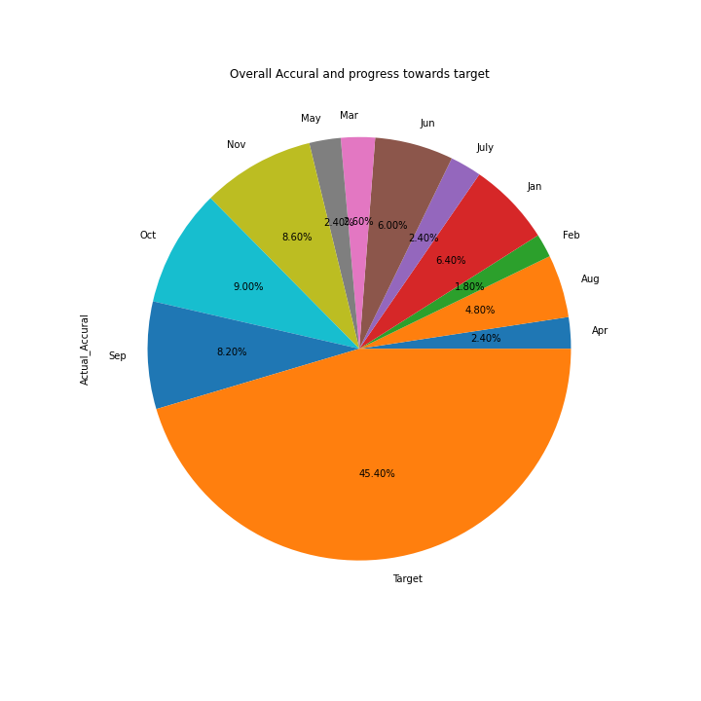
Months | Actual_Accural
Apr | 12
Aug | 24
Feb | 9
Jan | 32
July | 12
Jun | 30
Mar | 13
May | 12
Nov | 43
Oct | 45
Sep | 41
Target | 227

